ERD UBER
ER DIAGRAM

 |  |  |  |  |  |  |  |  | PAYMENT
 |  |  |  |  |  |  |  |  | bill_id | pay_time | pay_date | bill_amt | pay_mode
 |  |  |  |  |  |  |  |  | B1 | 10:00:00 | 2022-01-01 | 145 | CASH
 |  |  |  |  |  |  |  |  | B2 | 20:00:00 | 2022-01-02 | 657 | CASH
MAKES
 |  |  |  |  |  |  |  |  | B3 | 18:00:00 | 2022-01-03 | 243 | PAYTM
 |  |  |  |  |  |  |  |  | B4 | 16:00:00 | 2022-01-04 | 786 | CARD
 |  |  |  |  |  |  |  |  | B5 | 15:00:00 | 2022-01-05 | 100 | UPI

 |  |  |  |  |  |  |  |  |  |  |  |  | DRIVER
 |  | PASSENGER_ ACCOUNT |  |  |  |  |  |  |  |  |  |  | driver_name | driver_id | driver_phone | address | total_no_of_rides | rating
 |  | pass_id | pass_phone | pass_email | password | pass_name |  |  |  |  |  |  | RAJ | D1 | 9876543234 | 245 SHIVALIK A BLOCK | 200 | 5
RATES
 |  | P1 | 9564323456 | ABC@GMAIL.COM | OKM | IKA |  |  |  |  |  |  | MANOJ | D2 | 9653427654 | 76 SATYA NIKETAN | 250 | 4.3
 |  | P2 | 9843237654 | ASD@GMAIL.COM | JGH | JYOTI |  |  |  |  |  |  | SHALINDER | D3 | 9465465789 | B-709 NANAKPURA | 154 | 4.9
 |  | P3 | 7687654345 | UYG@GMAIL.COM | IJH | RIYA |  |  |  |  |  |  | NIWAS | D4 | 9646865876 | 8687 MEHRAULI PARK | 765 | 3.9
 |  | P4 | 9810871717 | UHG@GMAIL.COM | JHG | PREM
 |  | P5 | 9711839300 | UVG@GMAIL.COM | HGK | AKASH

ACCEPTS
REQUESTS

DRIVES

 |  |  |  |  |  |  | RIDE
 |  |  |  |  |  |  | ride_id | eta_mins | pick_up | drop_off | date_of_booking | cab_type
 |  |  |  |  |  |  | BK1 | 76 | YTF | JHO | 2022-01-01 | UBER GO
 |  |  |  |  |  |  | BK2 | 24 | UHI | JHG | 2022-01-02 | PREMIER
 |  |  |  |  |  |  | BK3 | 34 | GHU | GYU | 2022-01-03 | GO SEDAN
 |  |  |  |  |  |  | BK4 | 25 | BIJ | JHG | 2022-01-04 | UBER XL
 |  |  |  |  |  |  | BK5 | 28 | KHO | JHI | 2022-01-05 | UBER GO

FOR
 |  |  |  |  |  |  |  |  |  |  |  |  | CAB
 |  |  |  |  |  |  |  |  |  |  |  |  | car_number | MODEL | car_type | YEAR | CAR COMPANY | COLOUR
 |  |  |  |  |  |  |  |  |  |  |  |  | HR56DK9876 | ALTO | HATCHBACK | 2010 | MARUTI SUZUKI | RED
 |  |  |  |  |  |  |  |  |  |  |  |  | DL78BV9854 | XCENT | SEDAN | 2015 | HYUNDAI | BLACK
 |  |  |  |  |  |  |  |  |  |  |  |  | DL8CAR0009 | ELANTRA | SEDAN | 2019 | HYUNDAI | SILVER
 |  |  |  |  |  |  |  |  |  |  |  |  | UP87VC9832 | BREZZA | SUV | 2009 | MARUTI SUZUKI | WHITE

RELATIONSHIP TABLE

PASSENGER_ACCOUNT_PAYMENT
pass_id | pass_phone | pass_email | password | pass_name | bill_id | pay_time | pay_date | bill_amt | pay_mode
P1 | 9564323456 | ABC@GMAIL.COM | OKM | IKA | B1 | 10:00:00 | 2022-01-01 | 145 | CASH
P2 | 9843237654 | ASD@GMAIL.COM | JGH | JYOTI | B2 | 20:00:00 | 2022-01-02 | 657 | CASH
P3 | 7687654345 | UYG@GMAIL.COM | IJH | RIYA | B3 | 18:00:00 | 2022-01-03 | 243 | PAYTM
P4 | 9810871717 | UHG@GMAIL.COM | JHG | PREM | B4 | 16:00:00 | 2022-01-04 | 786 | CARD
P5 | 9711839300 | UVG@GMAIL.COM | HGK | AKASH | B5 | 15:00:00 | 2022-01-05 | 100 | UPI

DRIVER_PASSENGER
driver_name | driver_id | driver_phone | address | total_no_of_rides | rating | pass_id
RAJ | D1 | 9876543234 | 245 SHIVALIK A BLOCK | 200 | 5 | P1
MANOJ | D2 | 9653427654 | 76 SATYA NIKETAN | 250 | 4.3 | P2
SHALINDER | D3 | 9465465789 | B-709 NANAKPURA | 154 | 4.9 | P3
NIWAS | D4 | 9646865876 | 8687 MEHRAULI PARK | 765 | 3.9 | P4
RAJ | D1 | 9876543234 | 245 SHIVALIK A BLOCK | 200 | 4.7 | P5

PASSENGER_RIDE
pass_id | pass_phone | pass_email | password | pass_name | ride_id | eta_mins | pick_up | drop_off | date_of_booking | cab_type
P1 | 9564323456 | ABC@GMAIL.COM | OKM | IKA | BK1 | 76 | YTF | JHO | 2022-01-01 | UBER GO
P2 | 9843237654 | ASD@GMAIL.COM | JGH | JYOTI | BK2 | 24 | UHI | JHG | 2022-01-02 | PREMIER
P3 | 7687654345 | UYG@GMAIL.COM | IJH | RIYA | BK3 | 34 | GHU | GYU | 2022-01-03 | GO SEDAN
P4 | 9810871717 | UHG@GMAIL.COM | JHG | PREM | BK4 | 25 | BIJ | JHG | 2022-01-04 | UBER XL
P5 | 9711839300 | UVG@GMAIL.COM | HGK | AKASH | BK5 | 28 | KHO | JHI | 2022-01-05 | UBER GO

CAR_RIDE
car_number | MODEL | car_type | YEAR | CAR COMPANY | COLOUR | ride_id
HR56DK9876 | ALTO | HATCHBACK | 2010 | MARUTI SUZUKI | RED | BK1
DL78BV9854 | XCENT | SEDAN | 2015 | HYUNDAI | BLACK | BK2
DL8CAR0009 | ELANTRA | SEDAN | 2019 | HYUNDAI | SILVER | BK3
UP87VC9832 | BREZZA | SUV | 2009 | MARUTI SUZUKI | WHITE | BK4
HR56DK9876 | ALTO | HATCHBACK | 2010 | MARUTI SUZUKI | RED | BK5

CAB_DRIVER
car_number | MODEL | car_type | YEAR | CAR COMPANY | COLOUR | driver_name | driver_id | driver_phone | address | total_no_of_rides | rating
HR56DK9876 | ALTO | HATCHBACK | 2010 | MARUTI SUZUKI | RED | RAJ | D1 | 9876543234 | 245 SHIVALIK A BLOCK | 200 | 5
DL78BV9854 | XCENT | SEDAN | 2015 | HYUNDAI | BLACK | MANOJ | D2 | 9653427654 | 76 SATYA NIKETAN | 250 | 4.3
DL8CAR0009 | ELANTRA | SEDAN | 2019 | HYUNDAI | SILVER | SHALINDER | D3 | 9465465789 | B-709 NANAKPURA | 154 | 4.9
UP87VC9832 | BREZZA | SUV | 2009 | MARUTI SUZUKI | WHITE | NIWAS | D4 | 9646865876 | 8687 MEHRAULI PARK | 765 | 3.9
HR56DK9876 | ALTO | HATCHBACK | 2010 | MARUTI SUZUKI | RED | RAJ | D1 | 9876543234 | 245 SHIVALIK A BLOCK | 200 | 4.7

RIDE_DRIVER
driver_name | driver_id | driver_phone | address | total_no_of_rides | rating | ride_id
RAJ | D1 | 9876543234 | 245 SHIVALIK A BLOCK | 200 | 5 | BK1
MANOJ | D2 | 9653427654 | 76 SATYA NIKETAN | 250 | 4.3 | BK2
SHALINDER | D3 | 9465465789 | B-709 NANAKPURA | 154 | 4.9 | BK3
NIWAS | D4 | 9646865876 | 8687 MEHRAULI PARK | 765 | 3.9 | BK4
RAJ | D1 | 9876543234 | 245 SHIVALIK A BLOCK | 200 | 5 | BK5

MYSQL ERD
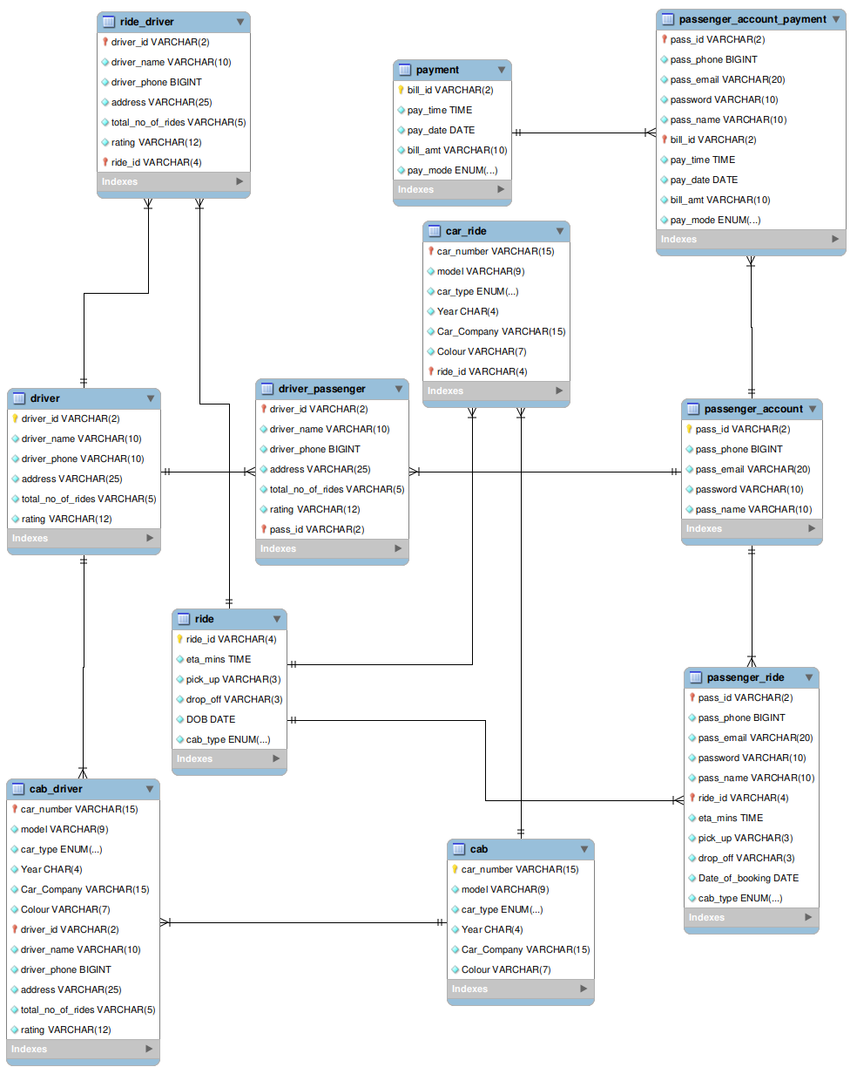
ER diagram: MySQL workbench

